Sheet1
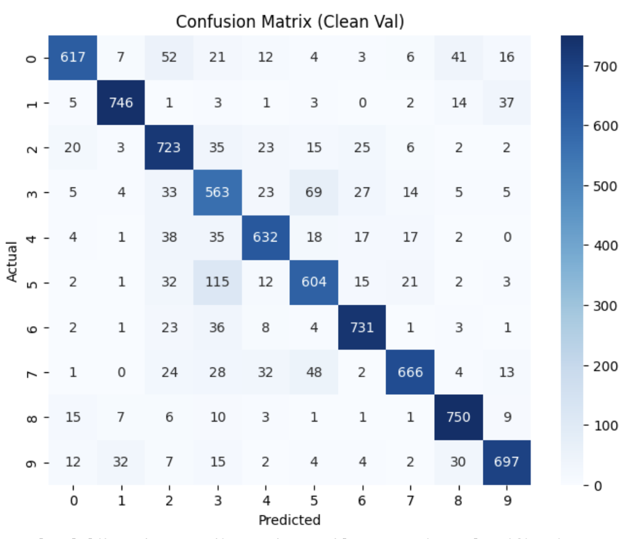
num_epochs=10
 | Mixed Val Acc |  | Poisson Ratio |  |  | Num Epochs | 15
 |  |  | 5% | 10% | 15% | poisson ratio | 15%
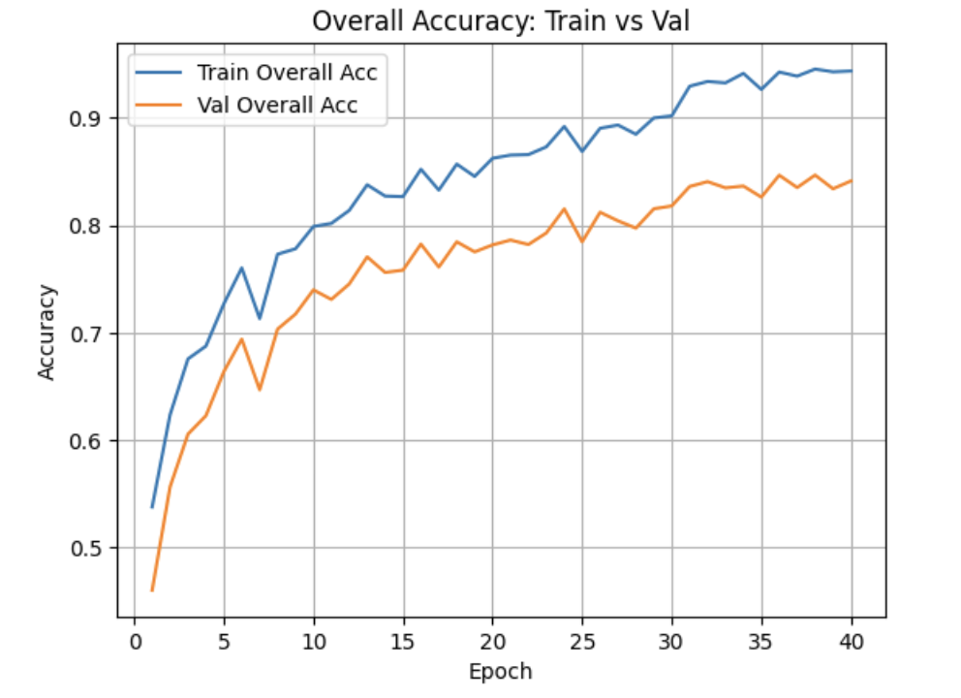
 | Trigger Size | 1x1 | 76.0% | 77.3% | 77.7% |  |  | Poisson Ratio
 |  | 3x1 | 74.5% | 75.1% | 77.2% |  |  | 1x1 | 3x1 | 3x3
 |  | 3x3 | 76.1% | 70.9% | 77.8% |  | Mixed Val Acc | 83.0% | 82.3% | 82.7%
 |  | 5x1 | 71.7% | 75.2% | 78.0% |  | Posson Val Acc | 99.6% | 99.1% | 99.4%
 |  | 5x5 | 73.3% | 72.2% | 78.2% |  | Clean Val Acc | 80.1% | 79.3% | 79.7%

 |  |  |  |  |  | Num Epochs | 30
 | Poisson Only Val Acc |  | Poisson Ratio |  |  | Poisson Ratio | 15%
 |  |  | 5% | 10% | 15% | Size | 3x1
 | Trigger Size | 1x1 | 96.8% | 98.1% | 99.0%
 |  | 3x1 | 98.5% | 98.6% | 99.2% |  | ASR | 99%
 |  | 3x3 | 97.3% | 96.4% | 99.7% |  | Clean Acc | 84%
 |  | 5x1 | 99.3% | 99.0% | 98.8% |  | Combined train Acc | 94%
 |  | 5x5 | 98.5% | 99.4% | 99.4% |  | Combined Val Acc | 84%

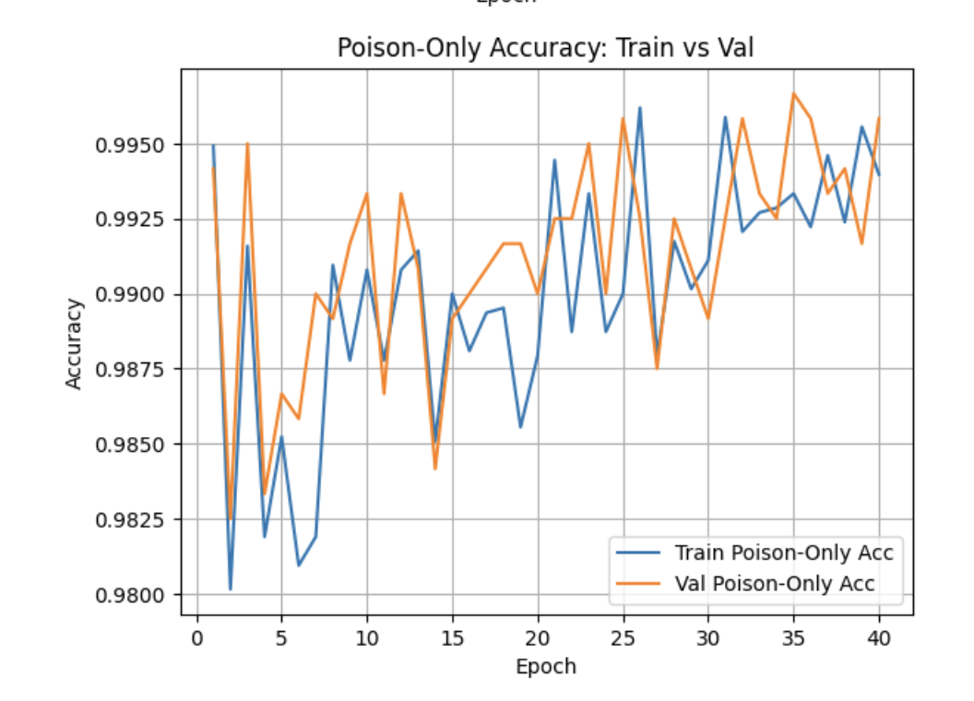
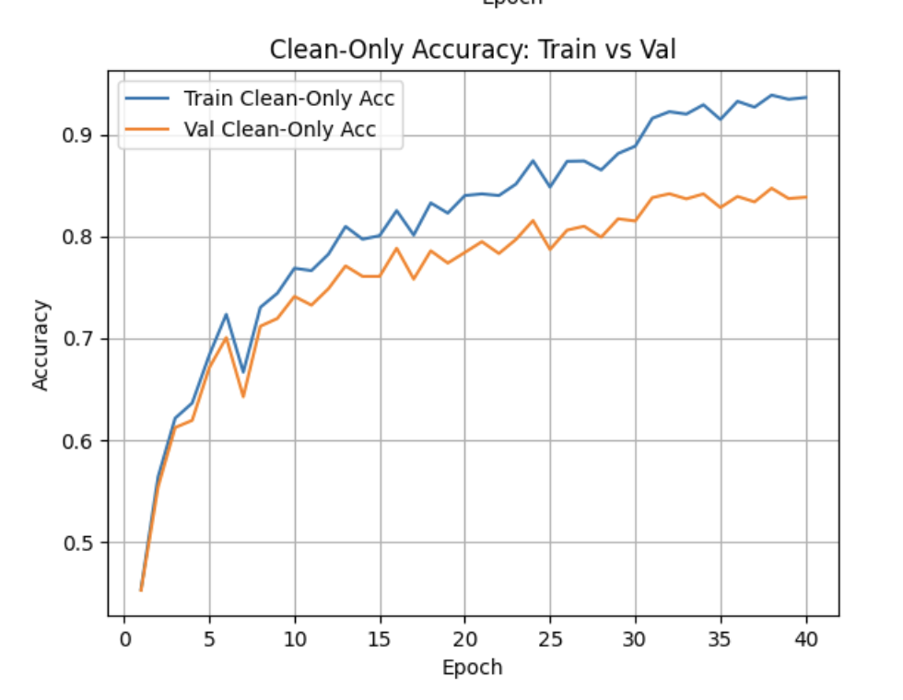
 | Clean Only Val Acc |  | Poisson Ratio
 |  |  | 5% | 10% | 15%
 | Trigger Size | 1x1 | 74.9% | 75.0% | 73.9%
 |  | 3x1 | 73.3% | 72.5% | 73.3%
 |  | 3x3 | 75.0% | 68.1% | 73.9%
 |  | 5x1 | 70.2% | 72.5% | 74.3%
 |  | 5x5 | 71.9% | 69.2% | 74.5%

 | Val ASR |  | Poisson Ratio
 |  |  | 5% | 10% | 15%
 | Trigger Size | 1x1 | 96.8% | 98.2% | 98.3%
 |  | 3x1 | 97.9% | 98.4% | 98.9%
 |  | 3x3 | 98.1% | 97.1% | 99.4%
 |  | 5x1 | 98.6% | 98.8% | 99.2%
 |  | 5x5 | 98.2% | 99.3% | 99.3%

